Heat pump model
Aquatic Centre pool hall |  | This is very rough modelling of pool and pool hall heating only. EnergyPlus includes a detailed pool modelling module
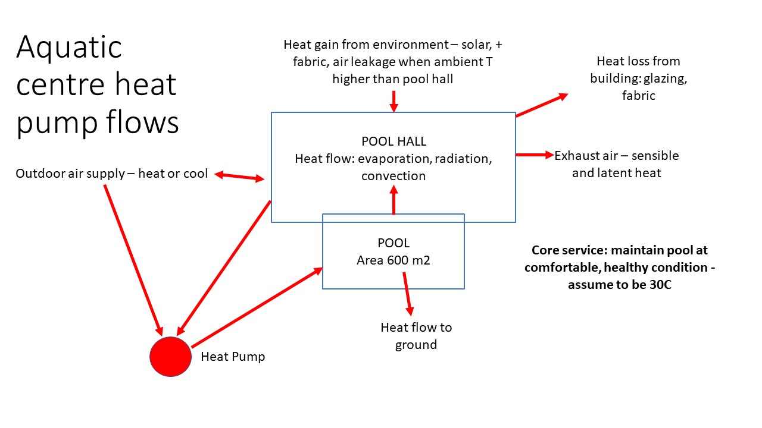
 |  |  |  |  |  |  | This ignores many aspects and makes lots of assumptions:
 |  |  |  |  |  |  | replacing energy lost with backwashing water and possible Reverse Osmosis recovery of waste water for reuse
 |  |  |  |  |  |  | losses from heat distribution system
 |  |  |  |  |  |  | no heat from lights, equipment or electricity use by lights, appliances, equipment
 |  |  |  |  |  |  | only looking at pool hall, not rest of centre's activities
 |  |  |  |  |  |  | Guesstimate of energy overheads from fans, pumps, etc included by reducing net COP of heat pump or efficiency of gas boiler
 |  |  |  |  |  |  | Pool surface area 600m2 and pool hall area 1200m2

 |  |  |  |  |  |  | Assumptions to simplify this calculation
 |  |  |  |  |  |  | energy content of exhaust air = energy content of incoming air + incremental heat if no heat recovery
 |  |  |  |  |  |  | incremental energy content of exhaust air = sensible heat +latent heat for increase in water vapour content from outdoor temp/humidity to 60% at 30C

 |  |  |  |  |  |  | building heat loss is additional to potential heat recoverable from exhaust air - ie all space heating sourced from pool heat loss
 |  |  |  |  |  |  | exhaust air at 30C, 60% humidity unless heat recovery, assumed to return it to ambient conditions
 |  |  |  |  |  |  | Heat loss to ground is sensitive to water table and soil type: may be much bigger at St Kilda site

 |  |  |  |  |  |  | check | 0.4375 | kW/m2 my est of 'typical' per m2 of pool from Duverge
 |  |  |  |  |  |  |  | but inc COP

Net electricity for pool hall= |  |  | (1/COP)*(heat loss from pool to pool hall and ground + heat loss from building)
(very simplistic to get ballpark of annual average)
NOTES: backwashing of filters seems to use a lot of water - not clear if this is heated water. If so shifting to use of cold water could save a lot of energy

Heating of pool hall area |  |  |  |  | building | area | Rval | Tdiff | radiation | watts |  | Heat loss to ground may be much higher for St Kilda due to high water table
outputs from sub-models |  |  |  |  | roof | 1200 | 1.5 | 10 |  | 8000 |  | ground heat loss |  |  | 0.37037037037
Thermal loads kW 20C ambient no sun |  |  | fraction |  | walls gross | 960 | assume length 3 x width of pool hall floor dimensions |  |  |  |  | watts/m2 | 15
bldg | 59.6 |  | 0.113 |  | glazing % | 30 |  |  |  |  |  | pool area | 786
exhaust air | 466.8 | net impact | 0.884 |  | glazing area* | 288 | 0.086 | 10 |  | 33408 |  | tot W | 11790
ground | 11.8 |  | 0.022 |  | walls net area | 912 | 0.5 | 10 |  | 18240 |  | tot kW | 11.79
other (lights, equipt, people etc) | -10.0 |  | -0.019 |  | solar gain/m2 |  |  |  | 500
tot thermal energy required | 528.2 | kW |  |  | glazing % with solar gain |  | 0 | TOT gain | 0 | 0
Assuming no heat recovery |  |  |  |  |  |  |  |  |  | 59.648 | kW
 |  |  |  |  | (* if low-e double glazing, Rval=0.37)
air flow | airchanges/h | 6 |  |  | If single glazed with condensation or air movement Rval=0.086
 | pool area | 600
 | ceiling ht | 6 |  | LH20/m3 | Exhaust air energy |  |  |  |  |  | air Cp | 0.0012 | MJ/m3-C | (1.2 kg/m3 and 1 kJ/m3 Cp = 1.2 kJ/m3)
 | pool hall volume | 7200 | m3 |  |  | Temp | hum% | kJ/m3 |  | Water vapour in air |  | enthalpy H2O | enth H2O+(air from base 0C)
 | hall floor area | 1200 | from bldg calc |  | Air in | 20 | 40 | 33 |  | Temp | humidity% | kJ H2O/kg air | kJ/kg air | Tot Cp kJ/m3
 |  |  |  |  | Air out | 30 | 60 | 71.9 |  | 40 | 60 | 75.84 | 42 | 117.8
Heat pump net COP | 8 | (inc pumps fans distribn loss) |  |  | net energyloss/m3 |  |  | 38.9 |  | 40 | 20 | 25.28 | 42 | 67.3
No heat recovery |  |  |  |  | pool hall vol m3 |  |  | 7200 |  | 30 | 60 | 41.88 | 30 | 71.9 | exhaust air
tot kWe | 66 |  |  |  | air changes/hour |  |  | 6 |  | 30 | 40 | 27.92 | 30 | 57.9
assuming thermal energy recoverable=thermal energy added to exhaust air | Net heat required | 61.4 | kW thermal |  | Air vol m3/hr |  |  | 43200 |  | 20 | 40 | 14.972 | 18 | 33.0
if exhaust air energy recovered |  |  |  |  | Air vol/sec |  |  | 12 |  | 10 | 40 | 7.72 | 6 | 13.7
tot kWe | 8 |  |  |  | net energy/sec |  | kW | 466.8 |  | 5 | 40 | 5.44 | 0 | 5.4

if gas 80% eff no heat recovery | 660 | kW gas | 2377 | MJ/h gas

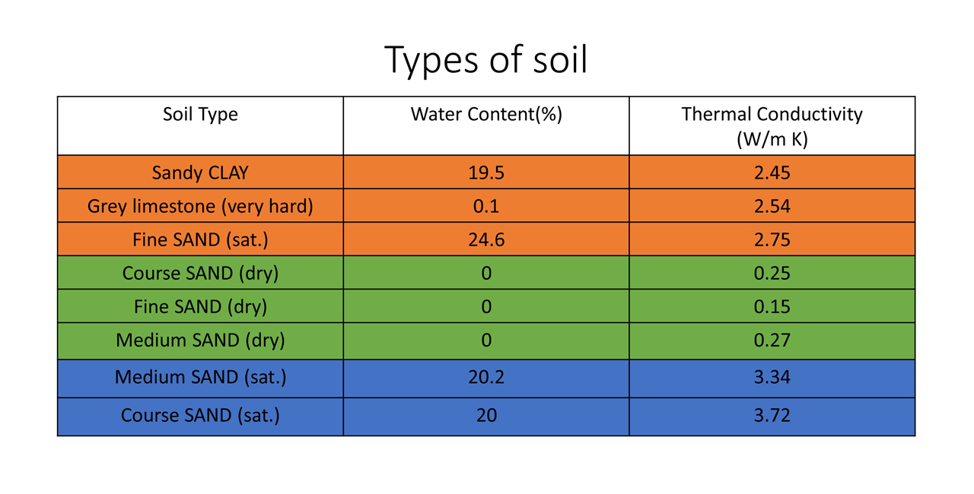

 |  |  |  |  | heat loss | 540 | when no cover
Pool heat capacity
length | 50 |  |  | COP | 8
depth | 1.8 |  | HP kWe | kWth | MJ/h | Time to heat 1C
width | 10 |  | 25 | 200 | 720 | 5.25 | hours
vol | 900 | m3 |  |  | for 15C rise | 78.75 | 3.28125 | days
MJ/m3 | 4.2
for 1C change | 3780 | MJ | watts | MJ/h
area | 500 |  | 15 | 0.054
heat loss/m2 | 15 | watts | 7500 | 27
time for 1 C change | 140 | hours

